LFC-5 8 12 18-V2
FC-5/8/12/18-V2 Spare Parts List
No. | Part Name
1 | Rubber lid
2 | Scraper arm
3 | Scraper
4 | Bowl lid
5 | Fastener
6 | S/S Bowl
7 | Double Layer Smooth Blade For 5L&8L
7-1 | Double Layer Smooth Blade For 12L&18L
8 | Fixture gadget
9 | Support gadget
10 | Blade shield for FC5/8
10-1 | Upper blade shield for FC12/18
10-2 | Lower blade shield for FC12/18
11 | Central fixture seat
12 | Bottom base
13 | Circuit breaker
14 | Power cord
15 | Fixed plate
16 | Control panel
17 | Motor bracket
18 | Motor
19 | Microswitch
20 | Capacitor group 1
21 | Capacitor group 1
22 | PCB panel
23 | Windshield
24 | Bottom plate
25 | Feet

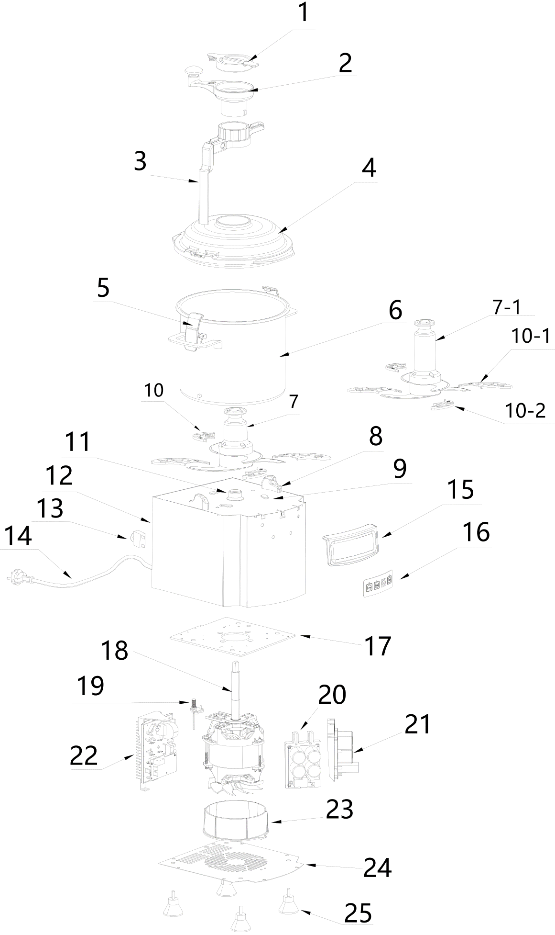
 | 注：以上价格单位：1PCS

