Foglio1
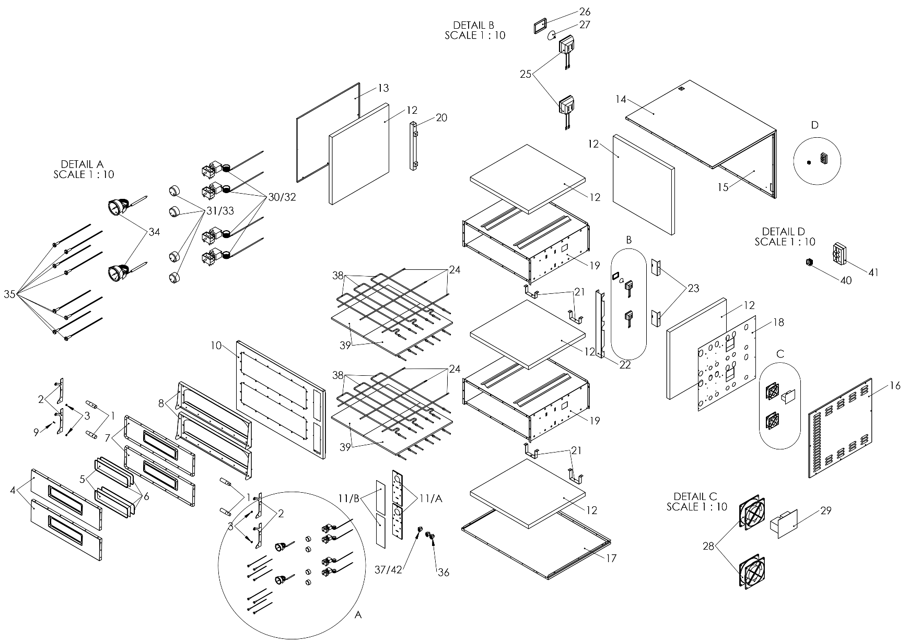
RIF N.° | DENOMINAZIONE | DESCRIPTION | TRAYS 4 GLASS NEW (TP-2-1) | TRAYS 44 GLASS NEW (TP-2) | TRAYS 6 GLASS (TP-2-1-SD) | TRAYS 66 GLASS (TP-2-SD)
1 | Maniglione | Door Handle | 5M200030 | 5M200030 | 5M200030 | 5M200030
5 | Vetro porta | Door Glass | 5V010019 | 5V010019 | 5V010019 | 5V010019
6 | Guarnizione vetro porta | Door glass gasket | 5G100009 | 5G100009 | 5G100009 | 5G100009
25 | Portalampada | Lamp holder | 5P110003 | 5P110003 | 5P110003 | 5P110003
26 | Vetro lampada | Lamp glass | 5V010003 | 5V010003 | 5V010003 | 5V010003
27 | Lampada | Lamp | 5L020005 | 5L020005 | 5L020005 | 5L020005
28 | Ventola | Fan | 5V050001 | 5V050001 | 5V050001 | 5V050001
29 | Scheda teleruttori | Circuit brakers board | - | - | 5S010050 | 5S010050
30 | Termostato | Thermostat | 5T010010 | 5T010010 | 5T010001 | 5T010001
31 | Manopola termostato | Thermostat knob | 5M200003 | 5M200003 | 5M200003 | 5M200003
34 | Termometro | Thermometer | 5T010200 | 5T010200 | 5T010200 | 5T010200
35 | Spia segnalazione resistenze | Heating element's warning light | 5L020017 | 5L020017 | 5L020017 | 5L020017
36 | Interruttore resistenza | Heating element's switch | 5I100016 | 5I100016 | 5I100016 | 5I100016
37 | Interruttore luce camera | Chamber light switch | 5I100017 | 5I100017 | 5I100017 | 5I100017
38 | Resistenza | Heating element | 5R050460 | 5R050460 | 5R050450 | 5R050450
39 | Pietra refrattaria | Refractory stone | 5P050131 | 5P050131 | 5P050135 | 5P050135
41 | Morsettiera | Terminal box | 5M100001 | 5M100001 | 5M100001 | 5M100001

